Cover
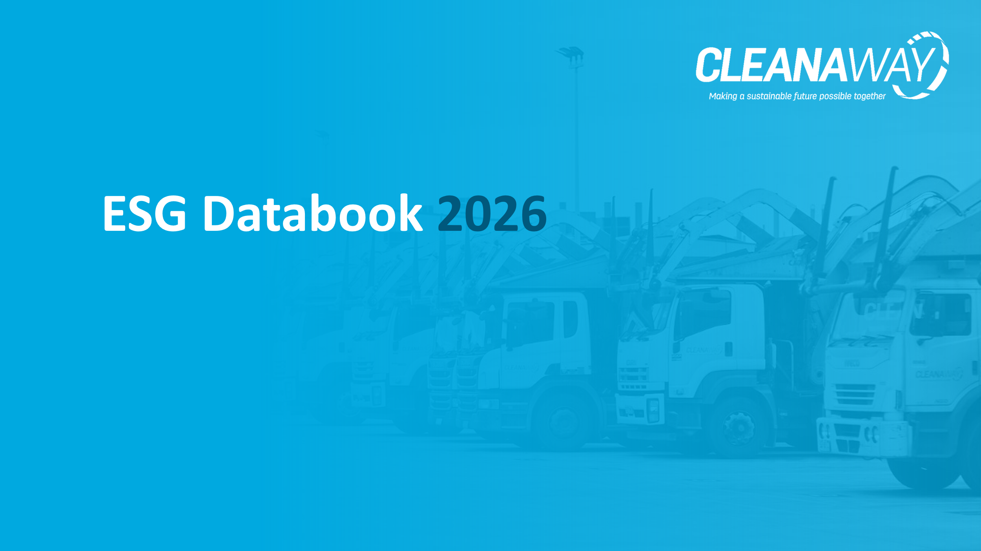

12. Materiality Assessment
12. Materiality Assessment
12.1 Material Topics
Sustainability Pillar | Topic | Definition
Recovering resources | 1. Governance, accountability & transparency | Integrity of Cleanaway's governance systems to deliver ethical business operations. Includes a focus on robust risk management, anti-corruption, fair remuneration practices and transparent disclosure of business performance and practices.
 | 2. Partnerships for integrated solutions | Leveraging values-aligned industry and customer partnerships to deliver fit-for-purpose and/or innovative solutions that drive diversion and support Cleanaway’s vertically integrated model.
 | 3. Circular economy | Enabling the circular economy by integrating and extending our leading network of infrastructure assets to provide high circularity low-carbon solutions. Cleanaway partners with our customers, technology providers, industry, and governments to meet Australia’s complex waste needs.
 | 4. Strategic Infrastructure | Integrating and extending our leading network of infrastructure assets through the effective implementation of Cleanaway’s Blueprint 2030 strategy.
Protecting the environment | 5. Water consumption | Strategies to measure, monitor and reduce Cleanaway's water consumption.
 | 6. Community impact management | Understanding and mitigating the potential impact that our operations may have on the surrounding community.
 | 7. Environmental Impacts and compliance | Environment is foundational at Cleanaway. We are committed to continually improving our environmental standards for the benefit of the environment, our employees, stakeholders, and the community.
Reducing emissions | 8. Advocacy and policy leadership | Engaging and guiding policy makers and regulators to address constraints in current systems of production, consumption, recovery and reuse.
 | 9. Climate risk | Identifying and responding to physical and transitional climate risks, and through this ensuring climate change adaptation, mitigation and resilience strategies are embedded as part of Cleanaway's risk management framework..
 | 10. 1.5°C ambition | Reduction of Cleanaway’s Scope 1 and 2 greenhouse gas emissions in line with a science-based pathway to limit global warming to 1.5°C above pre-industrial levels.
Working together | 11. Responsible supply chain | Working with our customers, employees, suppliers, and other relevant stakeholders to identify and mitigate any social and environmental risks in our operations and supply chain, including modern slavery.
 | 12. Labour practices | Organised labour plays an important role in the waste industry. Cleanaway acts to ensure adherence and appropriateness of Enterprise Agreements, appropriate workers compensation and upholding of labour rights.
 | 13. Culture, Diversity and Inclusion | Fostering a positive culture at Cleanaway that aligns with our guiding principles and leadership model. We celebrate the different experiences, knowledge, family structures, nationalities, and hobbies that everyone has. We know that when people can be themselves at work, they are happier and safer, feel valued, empowered, and like they belong; and that’s something that benefits us all.
 | 14. Customer experience | Bringing together service, value and sustainability to meet customers' changing needs, values and goals.
 | 15. Community education and engagement | Engaging with our customers and communities, to improve waste management and resource recovery practices and positively contribute to the economic, environmental, and social wellbeing of the communities in which we operate.
 | 16. Economic contribution | Sustainable financial performance to deliver shareholder returns over the long term, ensure organisational sustainability, and contribute to a strong Australian economy through creation of reliable employment as well as transparent tax contributions. Effectively managing acquisitions, mergers, and joint ventures to ensure the long-term growth of the business.
 | 17. Talent attraction and retention | Attracting and retaining the best talent in a competitive job market by providing rewarding opportunities for career development, building performance-focused and values-aligned teams, and ensuring our employees are challenged and inspired to succeed in their careers.
 | 18. Workforce health and safety | Workforce health and safety is foundational at Cleanaway. We do this through excellence in managing risk and compliance obligations, enabled by fit-for-purpose systems and processes.

11.2 FY26 Materiality matrix*
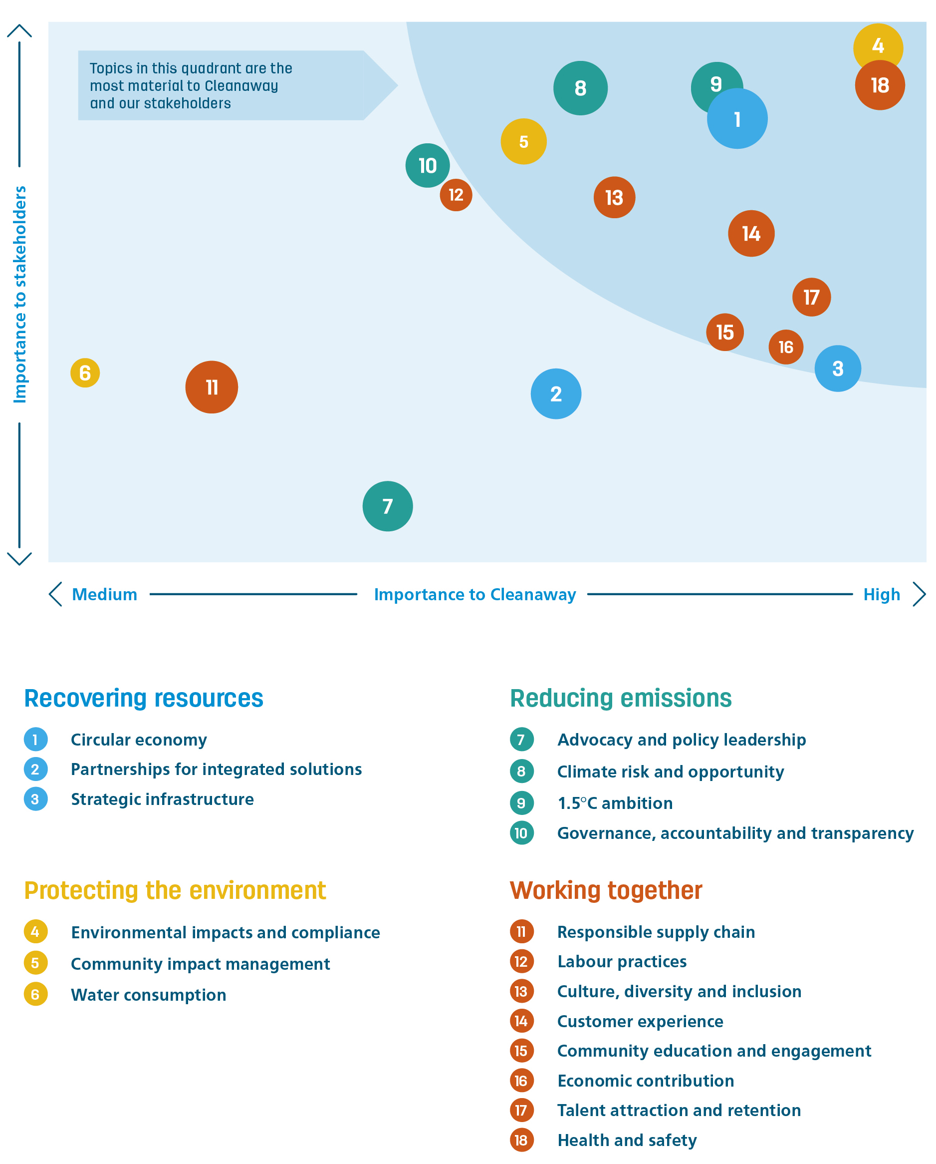

*The size of the bubble within the matrix corresponds to the potential impact of the respective topics.

